1-1
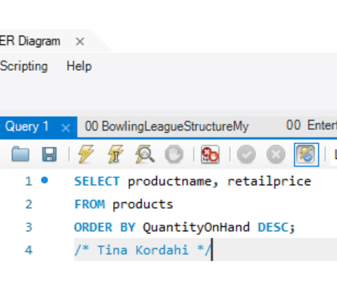
productname | retailprice
Shinoman Deluxe TX-30 Pedal | 45
ProFormance ATB All-Terrain Pedal | 28
ProFormance Toe-Klips 2G | 4.99
AeroFlo ATB Wheels | 189
Dog Ear Monster Grip Gloves | 15
Ultra-Pro Rain Jacket | 85
Viscount C-500 Wireless Bike Computer | 49
King Cobra Helmet | 139
Wonder Wool Cycle Socks | 19
Dog Ear Aero-Flow Floor Pump | 55
Glide-O-Matic Cycling Helmet | 125
StaDry Cycling Pants | 69
Ultra-2K Competition Tire | 34
Cosmic Elite Road Warrior Wheels | 165
Dog Ear Cyclecomputer | 75
Victoria Pro All Weather Tires | 54.95
Kryptonite Advanced 2000 U-Lock | 50
Viscount Microshell Helmet | 36
Shinoman Dura-Ace Headset | 67.5
Eagle SA-120 Clipless Pedals | 139.95
Viscount Tru-Beat Heart Transmitter | 47
X-Pro All Weather Tires | 24
True Grip Competition Gloves | 22
Pro-Sport 'Dillo Shades | 82
Turbo Twin Tires | 29
Shinoman 105 SC Brakes | 23.5
Clear Shade 85-T Glasses | 45
TransPort Bicycle Rack | 27
Dog Ear Helmet Mount Mirrors | 7.45
Nikoma Lok-Tight U-Lock | 33
Viscount CardioSport Sport Watch | 179
Kool-Breeze Rocket Top Jersey | 32
Cycle-Doc Pro Repair Stand | 166
HP Deluxe Panniers | 39
Ultimate Export 2G Car Rack | 180
Eagle FS-3 Mountain Bike | 1800
Road Warrior Hitch Pack | 175
Trek 9000 Mountain Bike | 1200
Viscount Mountain Bike | 635
GT RTS-2 Mountain Bike | 1650

1-2
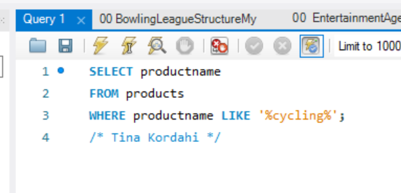
productname
StaDry Cycling Pants
Glide-O-Matic Cycling Helmet

1-4
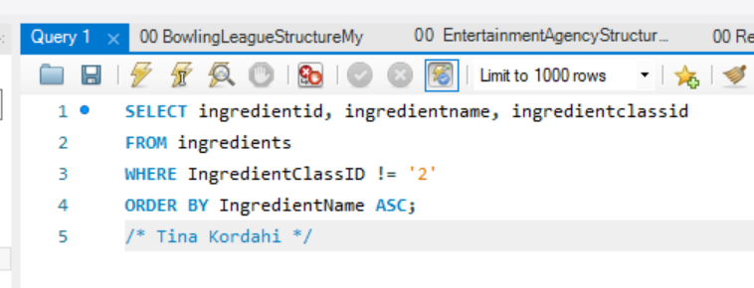
ingredientid | ingredientname | ingredientclassid
69 | Asparagus | 3
54 | Balsamic Vinaigrette Dressing | 20
63 | Beef drippings | 4
57 | Bird's Custard Powder | 21
29 | Black Olives | 19
10 | Black Pepper (ground) | 1
46 | Blue Cheese | 12
74 | Bread Crumbs | 21
47 | Butter | 11
17 | Butterhead Lettuce | 3
65 | Canned tomatoes | 3
6 | Carrot | 3
52 | Cayenne Pepper, Ground | 1
27 | Cheddar Cheese | 12
67 | Cinnamon | 1
58 | Colored sugar sprinkles | 1
22 | Cucumber | 3
62 | Eggs | 8
31 | Fettuccini Pasta | 5
61 | Flour | 6
9 | Garlic | 1
30 | Green Beans | 3
49 | Green Olives | 19
48 | Green Onion | 3
73 | Ground Clove | 1
4 | Guinness Beer | 9
12 | Halibut | 10
32 | Heavy Cream | 8
16 | Iceberg Lettuce | 3
8 | Jalapeno | 3
43 | Ketchup | 19
75 | Leek | 3
78 | Lemon | 17
77 | Lemon Juice | 9
79 | Lemon Sorbet | 23
68 | Lime Juice | 9
26 | Milk | 8
23 | Mushrooms | 3
42 | Mustard, Dijon | 19
41 | Mustard, Regular | 19
66 | Nutmeg | 1
21 | Olive Oil | 4
2 | Onion | 3
45 | Parmesan Cheese | 12
70 | Parsley | 22
71 | Pie dough for 2-crust pie | 21
5 | Potato | 3
53 | Radishes | 3
59 | Raspberry Jam | 21
56 | Raspberry Jello | 21
76 | Red Bell Pepper | 3
64 | Red Snapper | 10
24 | Red Wine | 9
15 | Romaine Lettuce | 3
19 | Salmon | 10
44 | Salsa | 13
11 | Salt | 1
18 | Scallop | 10
40 | Spaghetti | 5
55 | Sponge Cake | 21
7 | Tomato | 3
28 | Tortilla Chips | 18
50 | Vegetable Oil | 4
20 | Vinegar | 9
80 | Vodka | 24
3 | Water | 9
51 | White Pepper (ground) | 1
25 | White Wine | 9

1-5
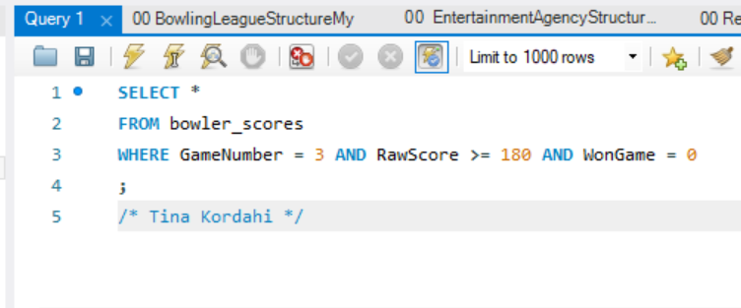
MatchID | GameNumber | BowlerID | RawScore | HandiCapScore | WonGame
1 | 3 | 7 | 192 | 221 | 0
3 | 3 | 19 | 185 | 214 | 0
18 | 3 | 7 | 187 | 219 | 0
40 | 3 | 31 | 192 | 225 | 0
49 | 3 | 3 | 189 | 221 | 0
50 | 3 | 7 | 189 | 218 | 0

1-6
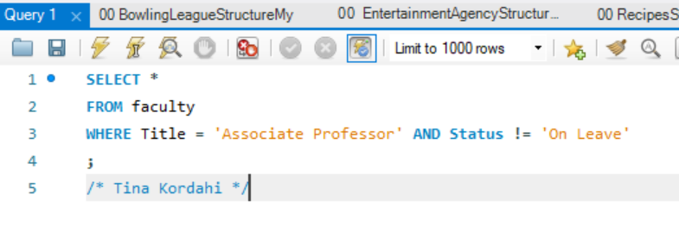
StaffID | Title | Status | Tenured
98007 | Associate Professor | Full Time | 1
98025 | Associate Professor | Full Time | 1
98040 | Associate Professor | Full Time | 1
98042 | Associate Professor | Full Time | 1
98062 | Associate Professor | Full Time | 0

1-7
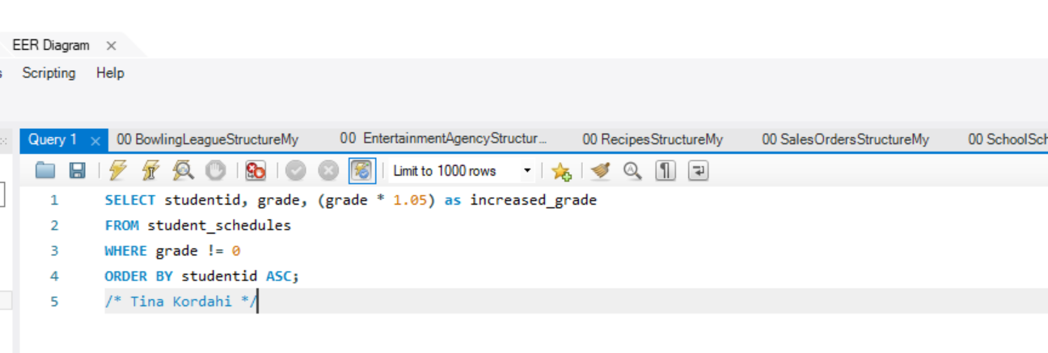
studentid | grade | increased_grade
1001 | 99.83 | 104.8215
1001 | 70 | 73.5
1001 | 67.33 | 70.6965
1001 | 87.14 | 91.497
1002 | 86.33 | 90.6465
1002 | 85.72 | 90.006
1002 | 68.22 | 71.631
1003 | 71.09 | 74.6445
1003 | 89.05 | 93.5025
1003 | 75.71 | 79.4955
1003 | 85.39 | 89.6595
1004 | 91.44 | 96.012
1004 | 90.56 | 95.088
1004 | 74.23 | 77.9415
1005 | 82.19 | 86.2995
1005 | 81.66 | 85.743
1005 | 80.51 | 84.5355
1005 | 94.33 | 99.0465
1006 | 73.04 | 76.692
1006 | 69.34 | 72.807
1006 | 98.07 | 102.9735
1006 | 69.6 | 73.08
1007 | 72.88 | 76.524
1007 | 66.2 | 69.51
1007 | 91.12 | 95.676
1007 | 65.8 | 69.09
1008 | 89.32 | 93.786
1008 | 97.59 | 102.4695
1008 | 88.27 | 92.6835
1008 | 67.6 | 70.98
1009 | 72.05 | 75.6525
1009 | 71.66 | 75.243
1009 | 93.05 | 97.7025
1009 | 70.99 | 74.5395
1010 | 87.4 | 91.77
1010 | 97.84 | 102.732
1010 | 86.57 | 90.8985
1011 | 87.65 | 92.0325
1011 | 93.01 | 97.6605
1011 | 92.36 | 96.978
1011 | 88.58 | 93.009
1012 | 71.15 | 74.7075
1012 | 67.6 | 70.98
1012 | 77.34 | 81.207
1012 | 66.15 | 69.4575
1013 | 69.67 | 73.1535
1013 | 77.07 | 80.9235
1013 | 77.59 | 81.4695
1013 | 93.19 | 97.8495
1014 | 88.91 | 93.3555
1014 | 77.01 | 80.8605
1014 | 88.5 | 92.925
1014 | 72 | 75.6
1015 | 91.66 | 96.243
1015 | 85.01 | 89.2605
1015 | 94.54 | 99.267
1015 | 77.58 | 81.459
1016 | 82.58 | 86.709
1016 | 98.01 | 102.9105
1016 | 72.01 | 75.6105
1017 | 69.46 | 72.933
1017 | 97.81 | 102.7005
1017 | 88.54 | 92.967
1017 | 70.55 | 74.0775
1018 | 67.19 | 70.5495
1018 | 98.31 | 103.2255
1018 | 79.61 | 83.5905
1018 | 93.32 | 97.986

1-9
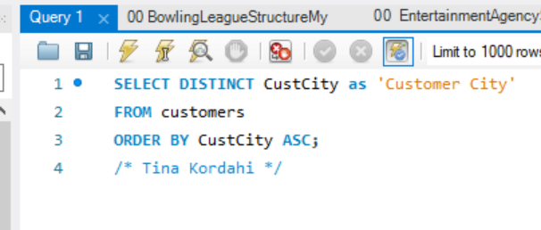
Customer City
Auburn
Bellevue
Kirkland
Redmond
Seattle
Tacoma

1-10
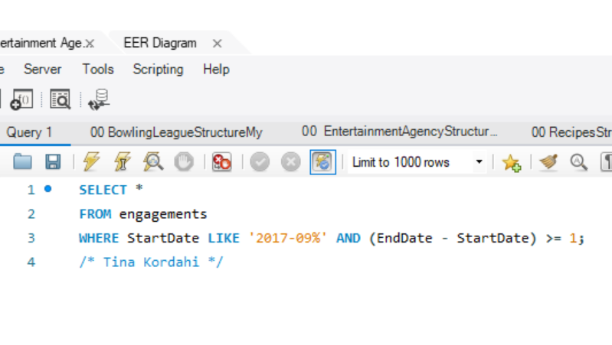
EngagementNumber | StartDate | EndDate | StartTime | StopTime | ContractPrice | CustomerID | AgentID | EntertainerID
2 | 2017-09-02 | 2017-09-06 | 13:00:00 | 15:00:00 | 200 | 10006 | 4 | 1004
3 | 2017-09-11 | 2017-09-16 | 13:00:00 | 15:00:00 | 590 | 10001 | 3 | 1005
4 | 2017-09-12 | 2017-09-18 | 20:00:00 | 0:00:00 | 470 | 10007 | 3 | 1004
5 | 2017-09-12 | 2017-09-15 | 16:00:00 | 19:00:00 | 1130 | 10006 | 5 | 1003
6 | 2017-09-11 | 2017-09-15 | 15:00:00 | 21:00:00 | 2300 | 10014 | 7 | 1008
7 | 2017-09-12 | 2017-09-19 | 17:00:00 | 20:00:00 | 770 | 10004 | 4 | 1002
8 | 2017-09-19 | 2017-09-26 | 20:00:00 | 23:00:00 | 1850 | 10006 | 3 | 1007
9 | 2017-09-19 | 2017-09-29 | 19:00:00 | 21:00:00 | 1370 | 10010 | 2 | 1010
10 | 2017-09-18 | 2017-09-27 | 13:00:00 | 17:00:00 | 3650 | 10005 | 3 | 1003
11 | 2017-09-16 | 2017-09-17 | 18:00:00 | 0:00:00 | 950 | 10005 | 4 | 1008
12 | 2017-09-19 | 2017-09-27 | 18:00:00 | 22:00:00 | 1670 | 10014 | 8 | 1001
13 | 2017-09-18 | 2017-09-21 | 20:00:00 | 23:00:00 | 770 | 10003 | 1 | 1006
14 | 2017-09-25 | 2017-09-30 | 16:00:00 | 22:00:00 | 2750 | 10001 | 1 | 1008
15 | 2017-09-25 | 2017-09-30 | 17:00:00 | 19:00:00 | 770 | 10007 | 1 | 1013
17 | 2017-09-30 | 2017-10-03 | 18:00:00 | 20:00:00 | 530 | 10002 | 8 | 1010
19 | 2017-09-30 | 2017-10-06 | 20:00:00 | 23:00:00 | 365 | 10009 | 8 | 1004

